Sheet1
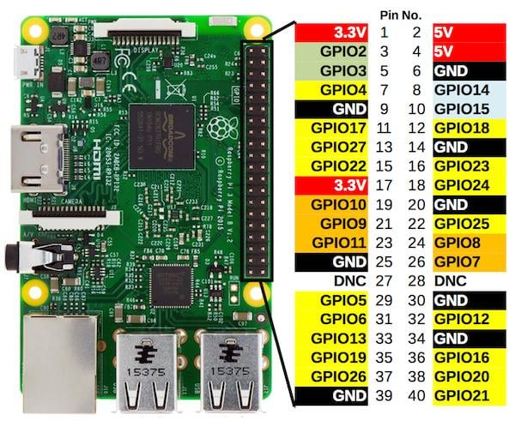
Function | Raspberry Pi GPIO (BCM) | Code | LEDs | Code
Motor Wash | GPIO4 | 1 | GPIO13 | 13 | Queueing Buttons
Helmet Wash | GPIO17 | 2 | GPIO19 | 19
Void | GPIO27 | 3 | GPIO26 | 26
Motor Caller | GPIO22 | 4 | GPIO23 | 23
Helmet Caller | GPIO5 | 5 | GPIO24 | 24
Recall | GPIO6 | 6 | GPIO25 | 25

SDA | GPIO2 |  |  |  | LCD
SCL | GPIO3
VCC | 5V
GND | GND

Satisfactory | GPIO7 | 7 | GPIO16 | 16 | CFS
Unsatisfactory | GPIO1 | 8 | GPIO20 | 20

